Disponibilità
 | M.ABORSE | M.ABORSE
Immagini | Articolo | Descrizione | U | Totale | WS | RTL | MADE IN | COMPOSIZIONE
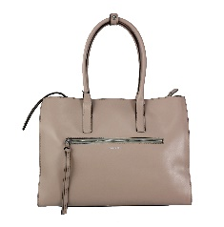 | 76B165YINT1188 | WOMAN BAGS - BEIGE | 104 | 104 | 170.00 € | 425.00 € | RO | 100%LE
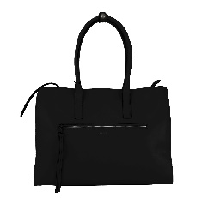 | 76B165YINT4299 | WOMAN BAGS - BLACK | 39 | 39 | 170.00 € | 425.00 € | RO | 100%LE
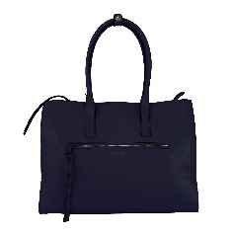 | 76B165YINT8202 | WOMAN BAGS - BLUE | 92 | 92 | 170.00 € | 425.00 € | RO | 100%LE
 | 76B166YINT4299 | WOMAN BAGS - BLACK | 52 | 52 | 177.00 € | 442.50 € | RO | 100%LE
 | 76B166YINT6106 | WOMAN BAGS - RED | 78 | 78 | 177.00 € | 442.50 € | RO | 100%LE
 | 76B166YINT8202 | WOMAN BAGS - BLUE | 74 | 74 | 177.00 € | 442.50 € | RO | 100%LE
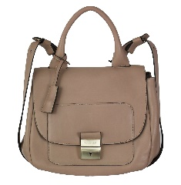 | 76B175LINT6825 | WOMAN BAGS - LIGHT PINK | 29 | 29 | 166.00 € | 415.00 € | RO | 100%LE
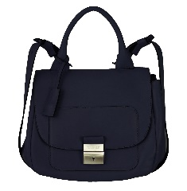 | 76B175LINT9812 | WOMAN BAGS - DARK BLUE | 42 | 42 | 166.00 € | 415.00 € | RO | 100%LE
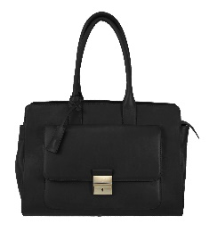 | 76B176LINT4299 | WOMAN BAGS - BLACK | 81 | 81 | 182.00 € | 455.00 € | RO | 100%LE
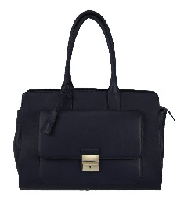 | 76B176LINT9812 | WOMAN BAGS - DARK BLUE | 64 | 64 | 182.00 € | 455.00 € | RO | 100%LE
 | 76B178LINT35 | WOMAN BAGS - RED | 64 | 64 | 175.00 € | 437.50 € | RO | 100%LE
 | 76B178LINT9812 | WOMAN BAGS - DARK BLUE | 41 | 41 | 175.00 € | 437.50 € | RO | 100%LE
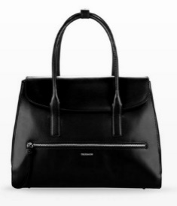 | 76B182YINT4299 | WOMAN BAGS - BLACK | 86 | 86 | 182.00 € | 455.00 € | RO | 100%LE
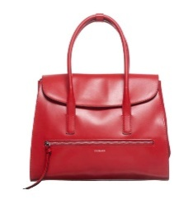 | 76B182YINT6106 | WOMAN BAGS - RED | 103 | 103 | 182.00 € | 455.00 € | RO | 100%LE
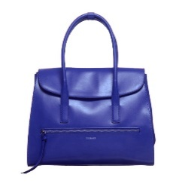 | 76B182YINT8202 | WOMAN BAGS - BLUE | 127 | 127 | 182.00 € | 455.00 € | RO | 100%LE
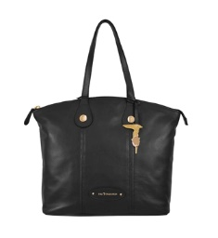 | 76BI32J4724299 | WOMAN BAGS - BLACK | 4 | 4 | 158.00 € | 395.00 € | RO | 100%LE
 |  | Totale M.ABORSE |  | 1080

